Precision & Recall
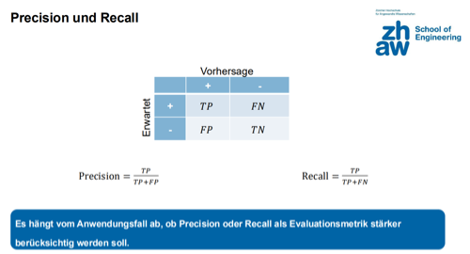
Precision & Recall Matrix |  | Vorhersage
 |  | + | -
Erwartet | + | 2 | 3
 | - | 1 | 1

Total | 7
Accuracy | 0.429
Precision | 0.667
Recall | 0.400
F-Mass | 0.500

